Columns
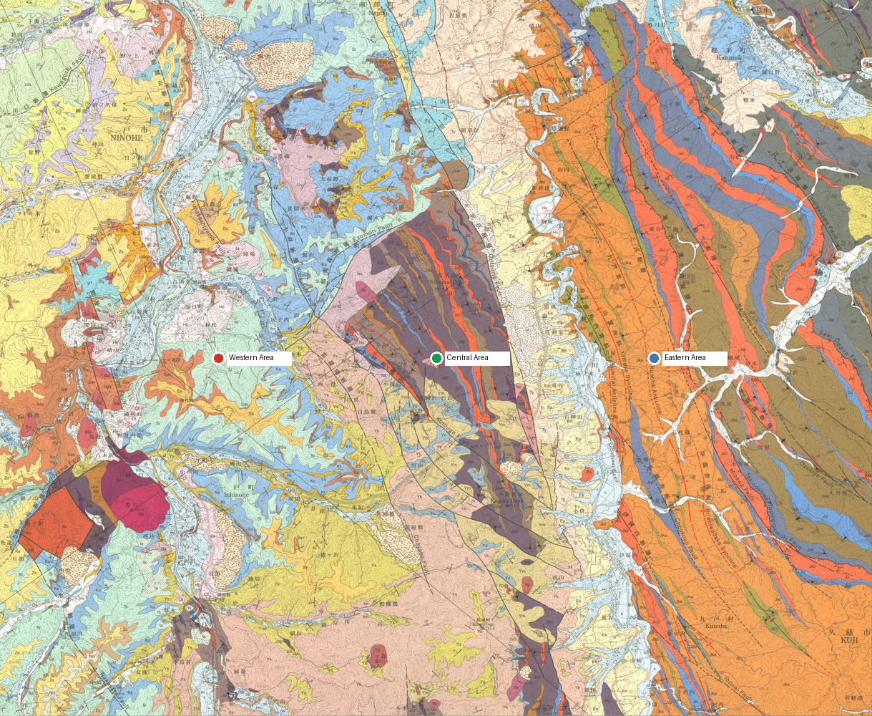
col_id | col_name | region_basis | lat | lng | geom | rgeom | evidence | status | ref_ids
western | Western Area | Regional label read from the source summary figure | 40.25277773 | 141.30890944 |  |  | GSJ georeferenced map bounding-box grid fallback. Selected score 0.0000. No resolved place or Shape polygon; west grid point requires review Map verification: GSJ georeferenced map bounding-box grid fallback. Selected score 0.0000. No resolved place or Shape polygon; west grid point requires review; inside assigned region: no. | CHECK | gsj1286
central | Central Area | Regional label read from the source summary figure | 40.25277773 | 141.37138071 |  |  | GSJ georeferenced map bounding-box grid fallback. Selected score 0.0000. No resolved place or Shape polygon; central grid point requires review Map verification: GSJ georeferenced map bounding-box grid fallback. Selected score 0.0000. No resolved place or Shape polygon; central grid point requires review; inside assigned region: no. | CHECK | gsj1286
eastern | Eastern Area | Regional label read from the source summary figure | 40.25277773 | 141.43385198 |  |  | GSJ georeferenced map bounding-box grid fallback. Selected score 0.0000. No resolved place or Shape polygon; east grid point requires review Map verification: GSJ georeferenced map bounding-box grid fallback. Selected score 0.0000. No resolved place or Shape polygon; east grid point requires review; inside assigned region: no. | CHECK | gsj1286

